Script
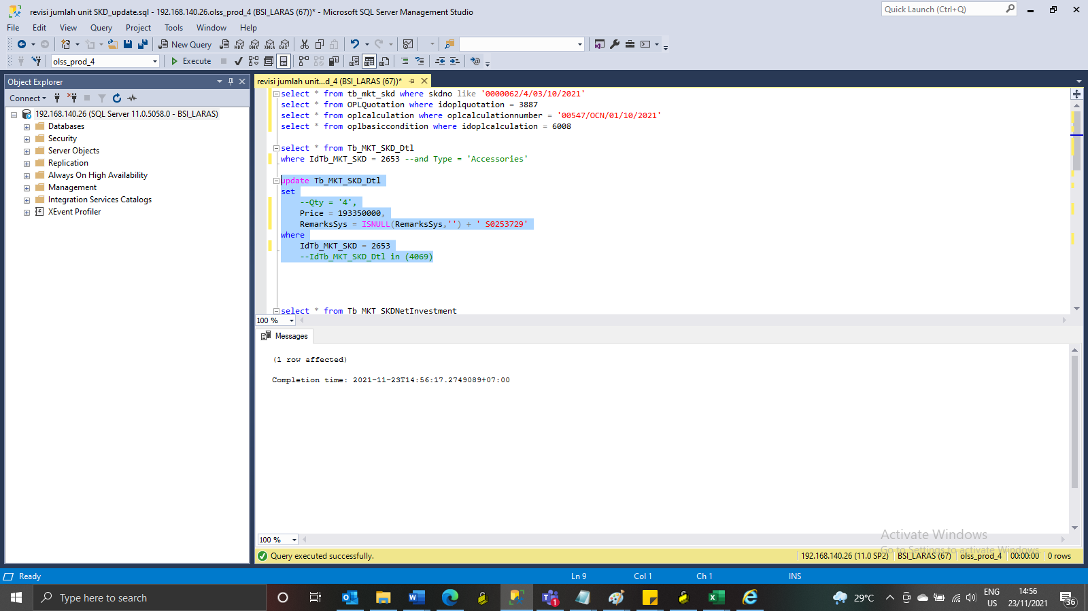
update Tb_MKT_SKD_Dtl
set
--Qty = '4',
 | Price = 193350000,
RemarksSys = ISNULL(RemarksSys,'') + ' S0253729'
where
IdTb_MKT_SKD = 2653
 | --IdTb_MKT_SKD_Dtl in (4069)

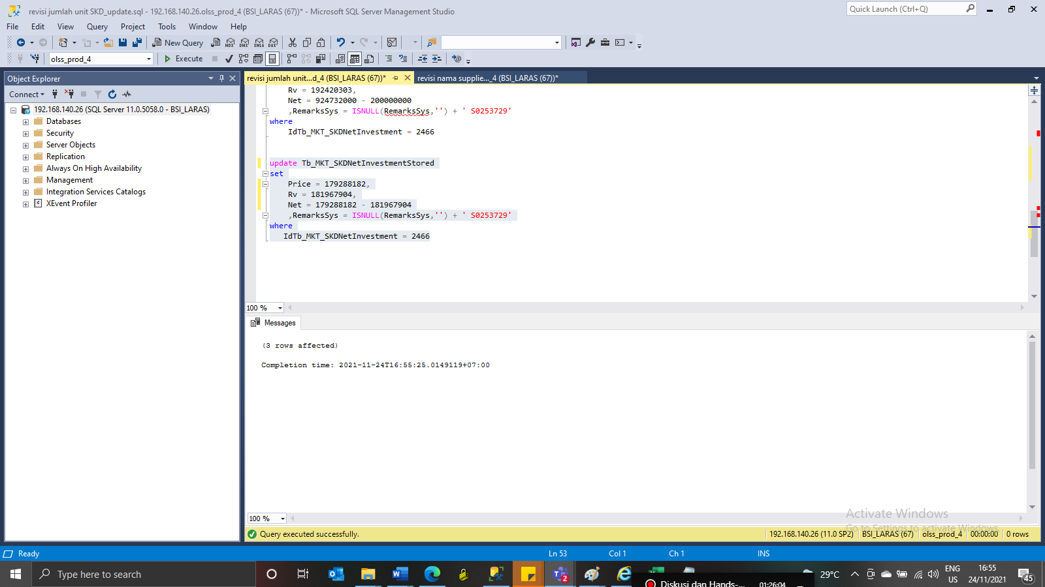
update Tb_MKT_SKDNetInvestmentStored
set
Price = 179288182,
Rv = 181967904,
Net = 179288182 - 181967904
 | ,RemarksSys = ISNULL(RemarksSys,'') + ' S0253729'
where
IdTb_MKT_SKDNetInvestment = 2466

Capture
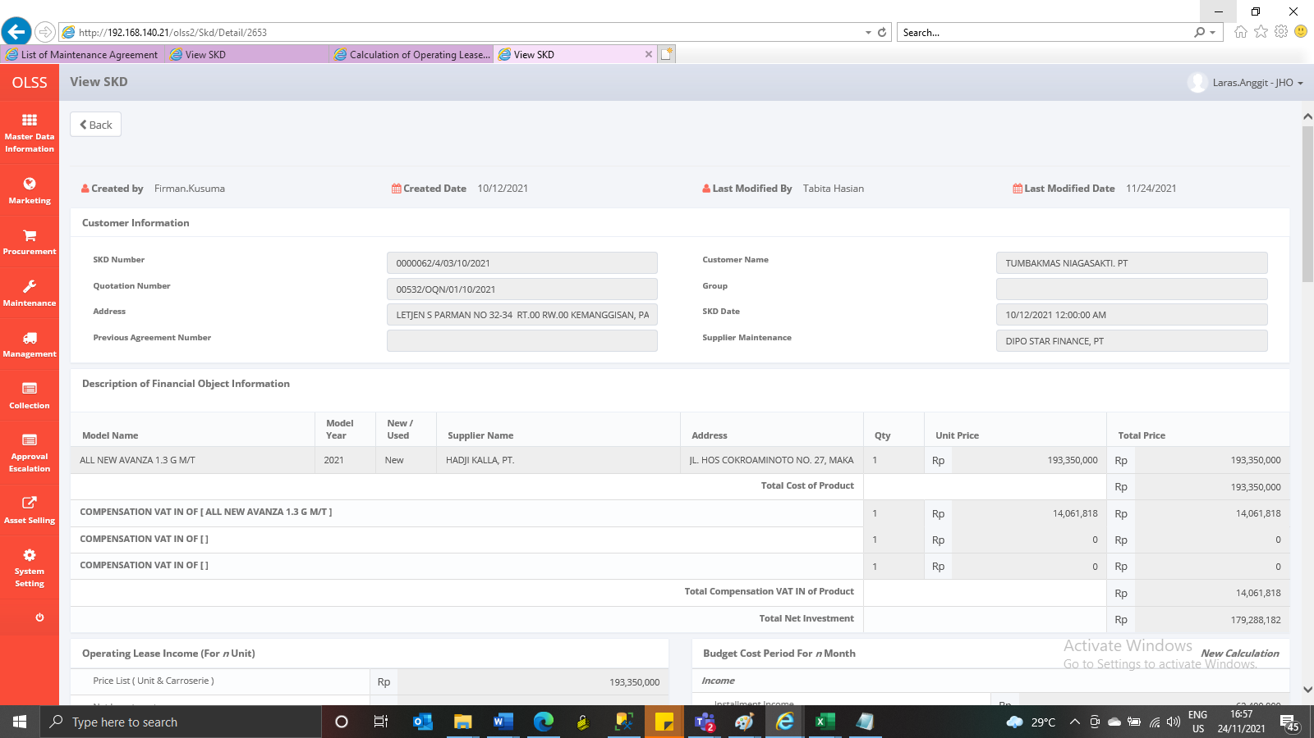
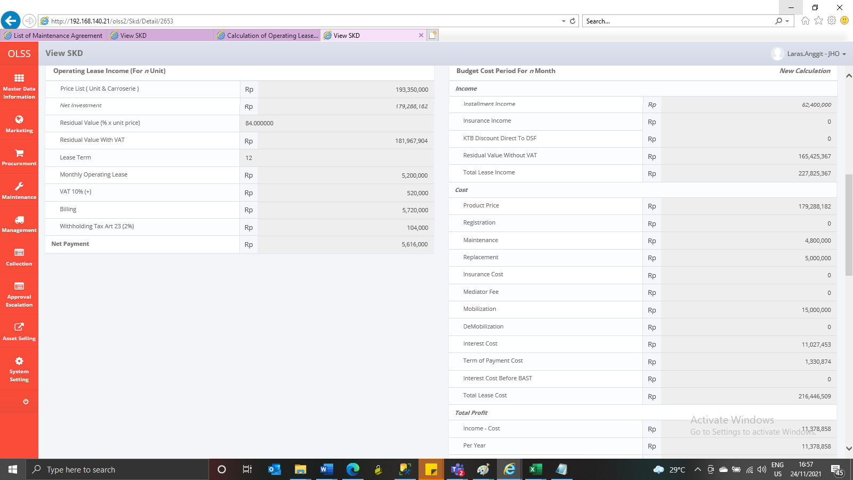
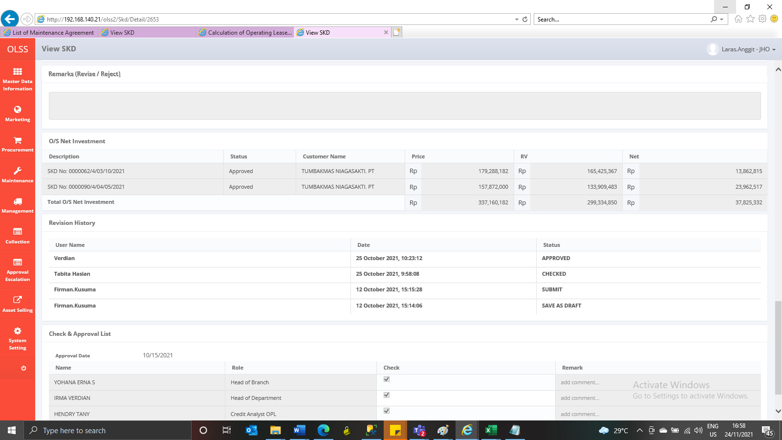
Before
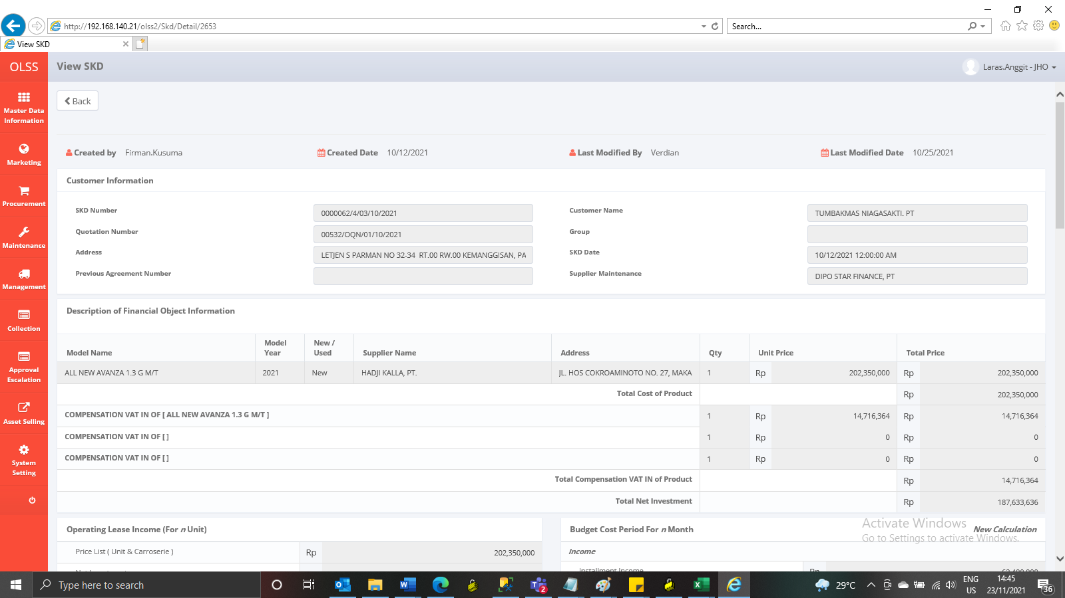

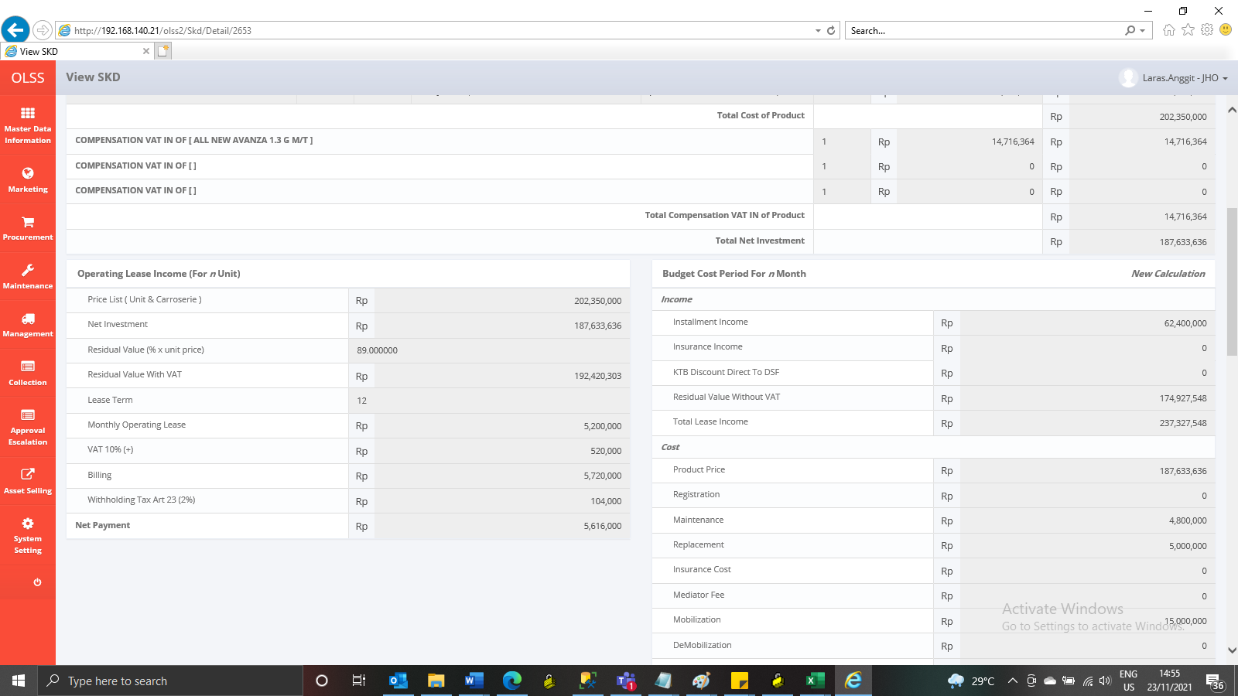

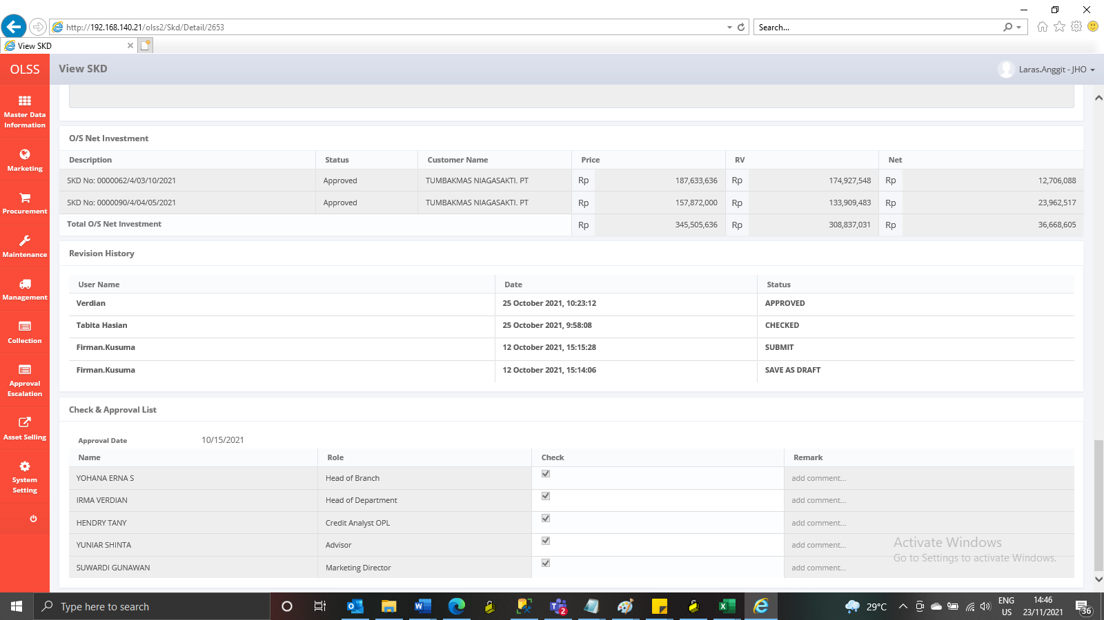

After

